q1
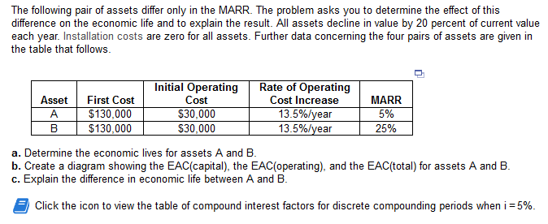

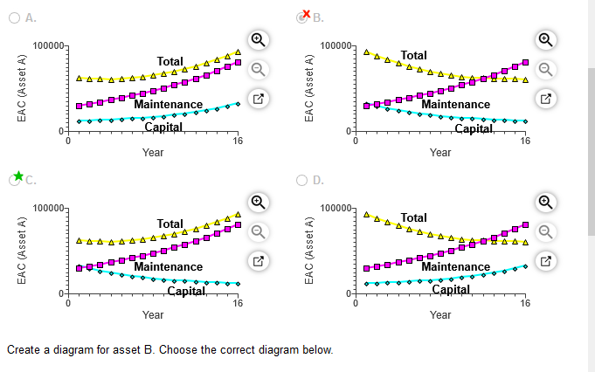

 | a)

 | FC | 120000 |  | i: | 5%
 | Op: | 30000 |  | decl | 20%
 | OP incr: | 11.50%

N: | O&M: | PW O&M: | o&m sum: | SV: | PW SV: | total pw: | a/p: | a:
1 | 30000 | 28571.428571 | 28571.428571 | 24000 | 22857.142857 | 125714.28571 | 1.05 | 132000
2 | 33450 | 30340.136054 | 58911.564626 | 4800 | 4353.7414966 | 174557.82313 | 0.53780487805 | 93878.04878
3 | 41585.87625 | 35923.443473 | 94835.008098 | 960 | 829.28409459 | 214005.724 | 0.36720856463 | 78584.734734
4 | 57646.170116 | 47425.646817 | 142260.65492 | 192 | 157.95887516 | 262102.69604 | 0.2820118326 | 73916.061641 | 73916.061641
5 | 89098.404795 | 69810.931548 | 212071.58646 | 38.4 | 30.087404792 | 332041.49906 | 0.23097479813 | 76693.218215
6 | 153548.03587 | 114579.90849 | 326651.49495 | 7.68 | 5.7309342462 | 446645.76402 | 0.19701746811 | 87997.017569
7 | 295048.53989 | 209685.48878 | 536336.98374 | 1.536 | 1.0916065231 | 656335.89213 | 0.17281981845 | 113427.84972
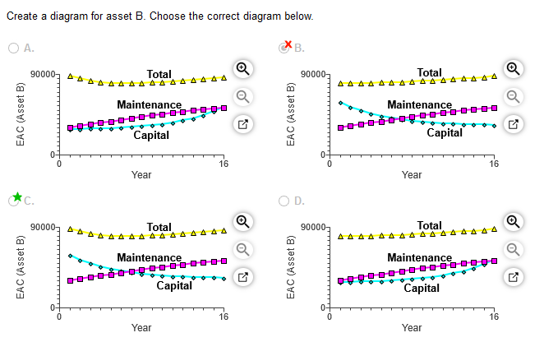
8 | 632146.21434 | 427861.44043 | 964198.42416 | 0.3072 | 0.20792505202 | 1084198.2162 | 0.15472181363 | 167749.11435

i: | 25%

N: | O&M: | PW O&M: | o&m sum: | SV: | PW SV: | total pw: | a/p: | a:
1 | 30000 | 24000 | 24000 | 24000 | 19200 | 124800 | 1.25 | 156000
2 | 33450 | 21408 | 45408 | 4800 | 3072 | 162336 | 0.69444444444 | 112733.33333
3 | 41585.87625 | 21291.96864 | 66699.96864 | 960 | 491.52 | 186208.44864 | 0.51229508197 | 95393.672459
4 | 57646.170116 | 23611.87128 | 90311.83992 | 192 | 78.6432 | 210233.19672 | 0.42344173442 | 89021.509451 | 89021.509451
5 | 89098.404795 | 29195.765283 | 119507.6052 | 38.4 | 12.582912 | 239495.02229 | 0.37184673965 | 89055.443201
6 | 153548.03587 | 40251.696315 | 159759.30152 | 7.68 | 2.01326592 | 279757.28825 | 0.33881949866 | 94787.224151
7 | 295048.53989 | 61876.163553 | 221635.46507 | 1.536 | 0.3221225472 | 341635.14295 | 0.31634165303 | 108073.42586
8 | 632146.21434 | 106056.53582 | 327692.00089 | 0.3072 | 0.051539607552 | 447691.94935 | 0.30039850626 | 134485.99285

 | life is longer when MARR is high

5 | 4
20 | 7

